TitlePg
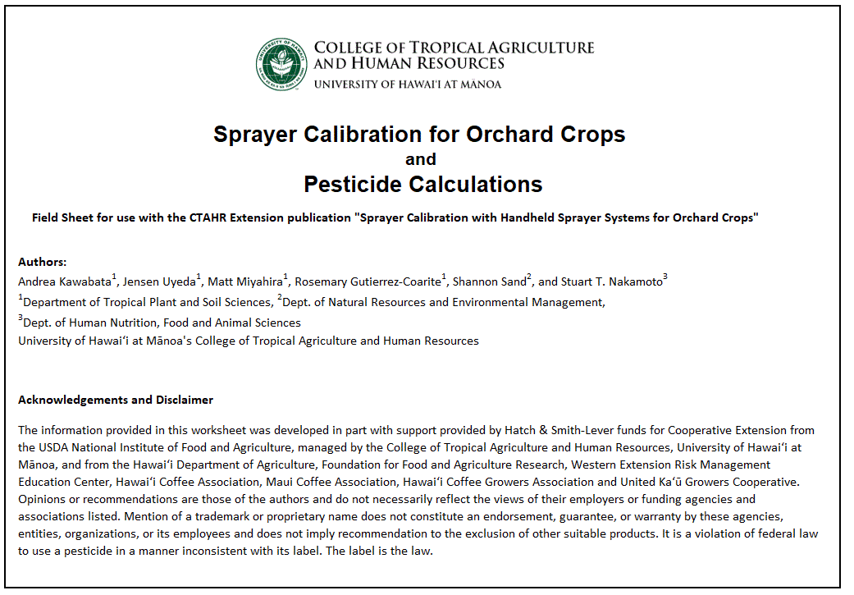

Sprayer Calibration for Orchard Crops and Pesticide Calculations

Field Sheet for use with the CTAHR Extension publication "Sprayer Calibration with Handheld Sprayer Systems for Orchard Crops"

Authors:
Andrea Kawabata1, Jensen Uyeda1, Matt Miyahira1, Rosemary Gutierrez-Coarite1, Shannon Sand2, and Stuart T. Nakamoto3
1Department of Tropical Plant and Soil Sciences, 2Dept. of Natural Resources and Environmental Management,
3Dept. of Human Nutrition, Food and Animal Sciences
University of Hawai‘i at Mānoa's College of Tropical Agriculture and Human Resources

Acknowledgements and Disclaimer
The information provided in this worksheet was developed in part with support provided by Hatch & Smith-Lever funds for Cooperative Extension from the USDA National Institute of Food and Agriculture, managed by the College of Tropical Agriculture and Human Resources, University of Hawai‘i at Mānoa, and from the Hawai‘i Department of Agriculture, Foundation for Food and Agriculture Research, Western Extension Risk Management Education Center, Hawai‘i Coffee Association, Maui Coffee Association, Hawai‘i Coffee Growers Association and United Ka‘ū Growers Cooperative. Opinions or recommendations are those of the authors and do not necessarily reflect the views of their employers or funding agencies and associations listed. Mention of a trademark or proprietary name does not constitute an endorsement, guarantee, or warranty by these agencies, entities, organizations, or its employees and does not imply recommendation to the exclusion of other suitable products. It is a violation of federal law to use a pesticide in a manner inconsistent with its label. The label is the law.

